Sheet2
SERIAL NO. | NAME* | DESIGNATION* | SUBJECTS TAUGHT | EDUCATIONAL QUALIFICATIONS |  |  |  |  |  |  |  |  |  | Pay Scale | Photograph
 |  |  | SUBJECT | EDUCATIONAL QUALIFICATIONS 1 |  | EDUCATIONAL QUALIFICATIONS 2 |  | EDUCATIONAL QUALIFICATIONS 3 |  | EDUCATIONAL QUALIFICATIONS 4 |  | PH.D
 |  |  |  | AREA OF SPECIALISATION* | SCORE (OBTAINED/OUT OF) | AREA OF SPECIALISATION* | SCORE (OBTAINED/OUT OF) | AREA OF SPECIALISATION | SCORE (OBTAINED/OUT OF) | AREA OF SPECIALISATION | SCORE (OBTAINED/OUT OF) | AREA OF SPECIALISATION | AWARDED/QUALIFIED
1 | BIMLA DEVI | Principal | Teaching of Hindi | B.A. | 399/700 | B.Ed. | 410/800 | M.A. HINDI | 504/800 | M.Ed. | 362/600 | PH.D | AWARDED | 47300 | 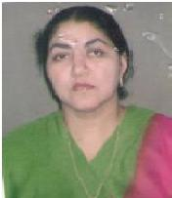
2 | ROHTASH KUMAR | Assistant Professor | Teaching of Hindi | B.A. | 600/1200 | B.Ed. | 726/1000 | M.A. EDUCATION | 576/900 | M.A. HINDI | 442/800 | PH.D | AWARDED | 25500
3 | VIMLA RANI | Assistant Professor | Teaching of Hindi | B.A. | 981/1800 | B.Ed. | 678/1000 | M.A. HINDI | 466/900 | M.Ed. | 432/600 | ----- | ----- | 25500 | 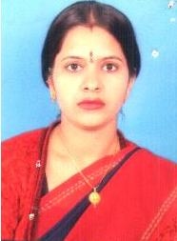
4 | USHA | Assistant Professor | Teaching of Social Science | B.A. | 723/1500 | B.Ed. | 636/1000 | M.A. EDUCATION | 726/1000 | M.A. POL. SCI. | 471/900 | ----- | ----- | 25500
5 | BHEEM SINGH | Assistant Professor | Teaching of Hindi | B.A. | 904/1800 | B.Ed. | 411/1100 | M.A. EDUCATION | 559/900 | M.A. HINDI | 524/900 | PH.D | AWARDED | 25500 | 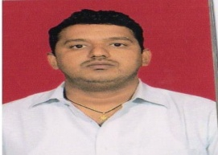
6 | SANJAY | Assistant Professor | Teaching of English | B.A. | 728/1200 | B.Ed. | 524/900 | M.A. EDUCATION | 659/1050 | -------- | ----- | ----- | ----- | 25500
7 | DAYA NAND | Assistant Professor | Teaching of Maths | B.A. | 888/1450 | B.Ed. | 606/1000 | M.A. EDUCATION | 586/900 | -------- | ----- | ----- | ----- | 25500 | 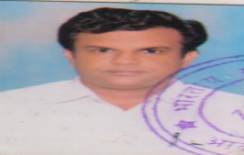
8 | SUMAN | Assistant Professor | Education | B.Sc. | 817/1450 | B.Ed. | 640/1000 | M.A. EDUCATION | 585/900 | -------- | ----- | ----- | ----- | 25500
9 | AKANCHA | Assistant Professor | Education | B.A. | 694/1200 | B.Ed. | 557/800 | M.A. POL. SCI | 565/900 | M.Ed. | 388/600 | NET | Qualified
10 | DHRUB SINGH TOMER | Assistant Professor | Teaching of English | B.A. | 654/1250 | B.Ed. | 511/800 | M.A. English | 554/1000 | M.Ed. | 350/600 | NET | Qualified
11 | SHIV KUMAR | Assistant Professor | Teaching of Life Science | B.Sc. | 720/1350 | B.Ed. | 538/800 | M.Sc. Zoology | 577/900 | M.Ed. | 406/600 | NET | Qualified
12 | RAJ BIR | Assistant Professor | Teaching of Physical Science | B.Sc. | 734/1350 | B.Ed. | 514/800 | M.Sc. Chemistry | 666/1200 | M.Ed. | 370/600 | NET | Qualified
13 | JAGDISH | Assistant Professor | Teaching of Science | B.Sc. | 813/1450 | B.Ed. | 559/1000 | M.A. EDUCATION | 563/900 | M.Sc. PHYSICS | 1395/2400 | ----- | ----- | 25500
14 | SURESH KUMAR | Assistant Professor | Teaching of Science | B.Sc. | 1129/2025 | B.Ed. | 576/900 | M.A. EDUCATION | 593/900 | M.Sc. | 762/1200 | ----- | ----- | 25500
15 | PRAHLAD RAY | Assistant Professor | Teaching of Science | B.Sc. | 1207/2025 | B.Ed. | 653/1000 | M.A. EDUCATION | 558/900 | M.Sc. ZOOLOGY | 801/1200 | ----- | ----- | 25500 | 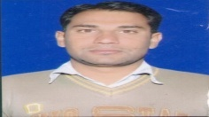
16 | DEEPAK JAIPAL | Assistant Professor | Teaching of Social Science | B.A. | 845/1800 | B.Ed. | 379/700 | M.A. EDUCATION | 575/900 | M.A. GEO. | 614/1000 | ----- | ----- | 25500
17 | KULDEEP | Assistant Professor | Teaching of Social Science | B.A. | 602/1200 | B.Ed. | 685/1200 | M.A. EDUCATION | 865/1300 | M.A. PUBLIC ADD. | 440/800 | ----- | ----- | 25500
18 | NISHA | Assistant Professor | Art & Craft | B.A. | 580/1200 | B.Ed. | 626/1000 | M.A. EDUCATION | 294/400 | M.A. DRAWING & Painting | 506/800 | ----- | ----- | 25500

